Room 105 deployment
ac | 4
projectors | 2
evaporative coolers
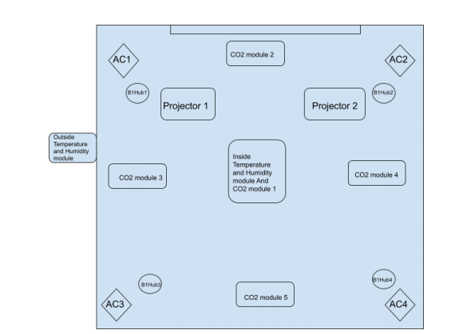
Lights

B-one Hub | 4 for Acs 2 for projectors

Smart room control Modes
1.free cooling mode | AC switched off, Evaporative Cooler switched off off,exhaust vents open 100% fresh air supply | Later on external AHUs to connected to Chilled water supply from Thub. It needs to be controlled and implement 3 modes. (infrastructure estimate 30L) Variable speed fan, AHU servicing,new evaporative pads and new pump). Exhaust damper control is also required
2.Evaporative cooling mode | AC switched off, Evaporative Cooler switched on,exhaust vents open 100% fresh air supply
3.Airconidtioning Mode | AC switched on, Evaporative Cooler switched off,exhaust vents partially open,Return air on modulated fresh air supply depending on the requirement | Present setup ok. With indoor ACs , presently. It can be upgraded to AHU control later on

AC options | internal AC or Later on external AHUs to connected to Chilled water supply from Thub. It needs to be controlled and implement 3 modes. (infrastructure estimate 30L)
Number of students | based on camera or CO2 level or based on calendar or manual entry (25%/50%/75%/100%)

